Field of Play
 | 1 | 2 | 3 | 4 | 5 | 6 | 7 | 8 | 9 | 10 | 11 | R | H | E
Indians |  |  |  |  |  |  |  |  |  |  |  | 0 | 0 | 0
BlueJays |  |  |  |  |  |  |  |  |  |  |  | 0 | 0 | 0
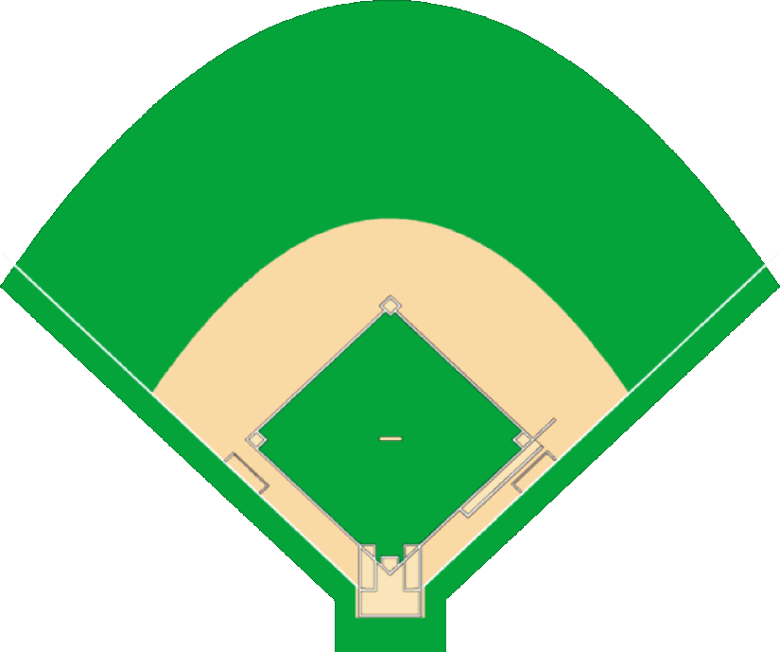
 |  |  |  |  |  |  |  |  |  |  |  |  |  |  | THE MATCH UP
 |  |  |  |  |  |  |  |  |  | Away | 1 | CF | M Brantley | * | Baseline Batting Average: |  | 0.261
 |  |  |  |  |  |  |  |  |  | Indians | 2 | SS | A Cabrera |  | M Brantley Contact Rating: | : | 42
 |  |  |  |  |  |  |  |  |  |  | 3 | RF | S Choo |  | S Marcum Effectiveness: | : | 68
 |  |  |  |  |  |  |  |  |  |  | 4 | LF | S Duncan |  | Infield at Normal Depth | : | 0
 |  |  |  |  |  |  |  |  |  |  | 5 | C | C Santana |  | Batter's Adjusted Average: |  | 0.210
 |  |  |  |  |  |  |  |  |  |  | 6 | DH | T Hafner
 |  |  |  |  |  |  |  |  |  |  | 7 | 1B | M LaPorta
 |  |  |  |  |  |  |  |  |  |  | 8 | 2B | L Valbuena
 |  |  |  |  |  |  |  |  |  |  | 9 | 3B | J Nix

 |  |  |  |  |  |  |  |  |  |  |  | Pitching | J Westbrook | 47 | ON THE BASES
 |  |  |  |  |  |  |  |  |  |  |  |  |  |  | First Base: Empty
 |  |  |  |  |  |  |  |  |  | Home | 1 | LF | F Lewis | * | Second Base: Empty
 |  |  |  |  |  |  |  |  |  | BlueJays | 2 | SS | A Gonzalez |  | Third Base: Empty
 |  |  |  |  |  |  |  |  |  |  | 3 | RF | J Bautista
 |  |  |  | Landis |  |  |  |  |  |  | 4 | CF | V Wells
 |  |  |  | 148 |  |  |  |  |  |  | 5 | DH | A Lind
 |  |  |  |  |  |  |  |  |  |  | 6 | C | J Buck
 |  |  |  |  |  |  |  |  |  |  | 7 | 1B | L Overbay
 |  |  |  |  |  |  |  |  |  |  | 8 | 3B | E Encarnacion
 |  |  |  |  |  |  |  |  |  |  | 9 | 2B | J McDonald

 |  |  |  |  |  |  |  |  |  |  |  | Pitching | S Marcum | 68

 |  |  |  |  |  |  |  |  |  |  | Outs | 0
 |  |  |  |  |  |  |  |  |  |  | Inning | 1 | Top

 |  |  |  |  |  |  |  |  |  |  |  | Normal Depth

